Sheet1
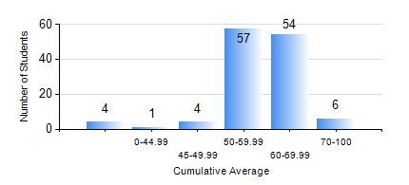
 |  |  | KWAME NKRUMAH UNIVERSITY OF SCIENCE AND TECHNOLOGY, KUMASI Department of Materials Engineering

 |  |  | BSC. METALLURGICAL ENG.

 |  |  | COMPREHENSIVE RECORD OF EXAMINATION RESULTS

 |  |  | RESULTS OF YEAR 2 SECOND SEMESTER, 2020/2021 ACADEMIC YEAR

 | Sn | Course Code |  | Course Name | Credit Hours | Min. Mark | Max. Mark | Avg. Mark | Std. Dev. | No. Passed | No. Trailed | No. (Df) | No. (I) | No. (I*) | No. Tagged(I,I*,Df) | Total
 | 0. |  |  |  |  |  |  | 0 | 0 | 0 | 0 | 0 | 0 | 0 | 0 | 12
 | 1. | MATH 252 |  | CALCULUS WITH SEVERAL VARIABLES | 4 | 50 | 84 | 61 | 7.3 | 114 | 0 | 0 | 0 | 0 | 0 | 114
 | 2. | METE 252 |  | METALLURGICAL RATE PROCESSES/SURFACE PHENOMENA | 3 | 21 | 80 | 53 | 11.31 | 104 | 10 | 0 | 0 | 0 | 0 | 114
 | 3. | METE 254 |  | ORE BENEFICIATION | 4 | 40 | 89 | 60 | 9.97 | 114 | 0 | 0 | 0 | 0 | 0 | 114
 | 4. | METE 256 |  | ASSAYING | 2 | 26 | 92 | 60 | 13.9 | 108 | 6 | 0 | 0 | 0 | 0 | 114
 | 5. | METE 258 |  | COMPUTER PROGRAMMING AND APPLICATIONS | 2 | 25 | 84 | 58 | 10.43 | 108 | 6 | 0 | 0 | 0 | 0 | 114
 | 6. | MSE 252 |  | HEAT AND MASS TRANSPORT | 3 | 35 | 90 | 59 | 13.07 | 111 | 3 | 0 | 0 | 0 | 0 | 114
 | 7. | MSE 260 |  | PHASE TRANSFORMATIONS | 2 | 24 | 97 | 55 | 15.36 | 92 | 12 | 10 | 0 | 0 | 10 | 114

